Sheet1
 | Outlook | Temperature | Humidity | Wind | Play Cricket
day 1 | Sunny | Hot | High | Weak | No
day 2 | Sunny | Hot | High | Strong | No
day 3 | Overcast | Hot | High | Weak | Yes
day 4 | Rain | Mild | High | Weak | Yes
day 5 | Rain | Cool | Normal | Weak | Yes
day 6 | Rain | Cool | Normal | Strong | No
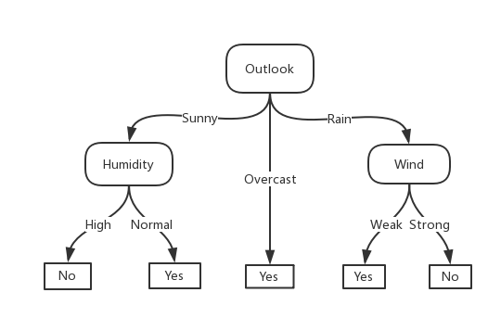
day 7 | Overcast | Cool | Normal | Strong | Yes
day 8 | Sunny | Mild | High | Weak | No
day 9 | Sunny | Cool | Normal | Weak | Yes
day 10 | Rain | Mild | Normal | Weak | Yes
day 11 | Sunny | Mild | Normal | Strong | Yes
day 12 | Overcast | Mild | High | Strong | Yes
day 13 | Overcast | Hot | Normal | Weak | Yes
day 14 | Rain | Mild | High | Strong | No

